Compiled
Year | 1 | 2 | 3 | 4 | 5
Product Revenue and Cost
Average Price [€ / #] | 0 | 67 | 67 | 67 | 67
Selling amount [1000 #] | 0 | 3.0 | 7.5 | 21.0 | 39.0
Revenue [k€] | 0 | 200 | 500 | 1,400 | 2,600
Cost of Production [€ / #] | 0 | 41 | 36 | 36 | 36
Cost of Revenue [k€] | 0 | 123 | 270 | 756 | 1,404
Gross Margin [k€] | 0 | 77 | 230 | 644 | 1,196
Engeneering and R&D
Tools/Machinery [k€] | 10 | 45 | 45 | 60 | 60
Employees [#] | 3 | 5 | 5 | 6 | 6
Salaries [k€] | 16.5 | 20 | 50 | 50 | 50
Total Cost [k€] | 50 | 100 | 250 | 300 | 300
Marketing and Sales |  |  |  |  |  |  |  |  | Software faturação
Marketing [k€] | 10 | 15 | 45 | 100 | 300 |  | https://blog.hubspot.com/marketing/startup-marketing-budget |  | https://www.vendus.pt/
Cost of Sales [k€] | 0 | 10.5 | 26.3 | 73.5 | 136.5
Employees [#] | 1 | 2 | 4 | 8 | 9 |  | https://issuu.com/kevinkevinkevinkevin/docs/marketing_team_structures_report_2017/s/11347142
Salaries [k€] | 16 | 20 | 40 | 45 | 45
Total Cost [k€] | 26 | 55 | 205 | 460 | 705
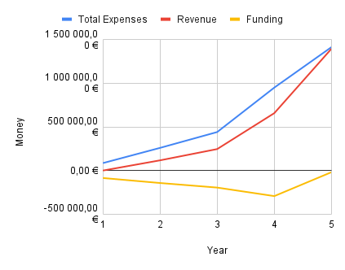
Administration and Financial
Hardware and Software [€] | 0 | 870 | 1,120 | 120 | 120
Employees [#] | 2 | 2 | 3 | 3 | 3
Salaries [k€] | 14 | 20 | 25 | 30 | 30
Office [k€] | 0 | 12.0 | 16.8 | 16.8 | 16.8
Total Cost [k€] | 28 | 40 | 75 | 90 | 90
Key Performance Indicators
OPEX [k€] | 103.5 | 207.0 | 546.8 | 866.8 | 1,111.8
CAPEX [k€] | 10.0 | 45.9 | 46.1 | 60.1 | 60.1
Total Expenses [M€] | 0.1 | 0.4 | 0.9 | 1.7 | 2.6
Cash Flow [k€] | -114 | -176 | -363 | -283 | 24
Funding [k€] | 150 | 250 | 400 | 400 | 100
 | 1,000,000.00 €

 |  |  |  |  |  |  |  | (ANTES dos ajustes dos moldes (CENTIMFE)) | (APÓS AJUSTES)

 |  |  |  |  |  |  |  | (Resultados idênticos, com o break even a ocorrer ligeiramente mais tarde no caso ajustado.)
(for graph)
Funding | -113.50 | -175.87 | -362.92 | -282.92 | 24.08 | -935.21

